Instructions
Simple Instructions for Updating the Reports

1 | Connect to CalRptg in SmartView
2 | Click on the first plus sign on the left in each report and Change the Entity from 1_UCBKL to your Division (remember to include "1_")
 | Example: See before and after screenshots for FY17 Q1 Fcst Trend Analysis below
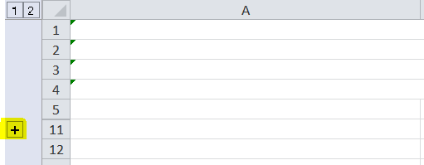

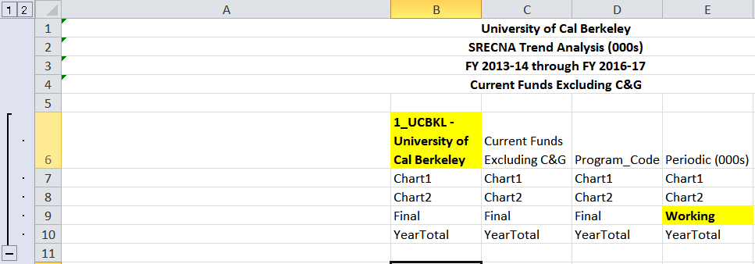

3 | Refresh the data

 | Note: The version ("Working") does not need to be updated before your submission; once the Q1 submission is made it can be updated for the new Forecast Scenario. For additional information see the FY17 Forecast Versions Scenario Calendar on the Budget Office webpage

