Instructions
This template was created for optional use for the rotating endowed chairs. These are chairs that can move between departments and/or divisions.

Information/Resources on Endowed Chairs:
Academic Guidelines for Endowed Chairs and Professorships
Administrative Guidelines
Payout Guidance

Click here for information on Management Codes:
Management code guidance email

How to use this template:
1: The green tab, Endowed Chair Budget Proposal, should be used for most budgets. This budget covers the Faculty Scholarly Allowance, in most cases, coded with 3DCFAC Chartfield 1 (CF1), or a blank CF1, as well as the portion for Graduate Student Support, coded on the ledger with CF1 3DCSTU).

First, please fill out the top information, specific to the fund:

Next, fill out the carryforward from June 30 of the prior fiscal year, keeping in mind that chair payout should not be allowed to accumulate. Campus guidelines require that accumulation not exceed two years of payout without a clear plan for expenditure.

If this chair fund is one of the few where there is a multidisciplinary component which is also directed by the Chairholder*, then open the grouped columns for entering both the carryforward balance and the budget for the multidisciplinary support (3DCRES)

After the top portion and the sources are filled out, route the file to the Chairholder for development of the budget for this fiscal year, incorporating any carryforward balance. Listed in the file are some suggested uses from the endowed chair guidelines, for ease of entry:
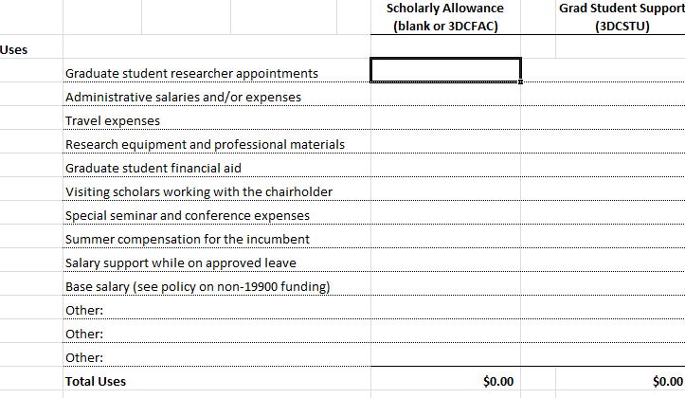

The next section is for the chairholder / RA to instruct where to direct the funds. Please note that if there is a management code on the payout, the funds will be transferred using this management code. There is a section below in case there are further instructions:

The last section is for signatures of the Chairholder, Chair (if applicable), and Dean or Vice Chancellor

2: The purple tab, 3DCRES Only Budget, should be used for the unit that is only responsible for the Multidisciplinary component, which is coded with the CF1 3DCRES:

This should be filled out following the same instructions as the first tab, above.

